Sheet2
 | SKU | Description | UPC | Pk Sz | Avl Units | Avl Pairs
 | 730-U2261P6-975 | 7-9 UA ESSENTIAL NSHW-PURPLE HEATHER/AST | 783466312732 | 6 | 19,864 | 238,368
 | 730-4274XP4-272 | 10-13 UA ALLSEASONGR CREW-BLACK | 025343310319 | 4 | 13,739 | 109,908
 | 730-4266XP4-272 | 10-13 UA ALLSEASONGR NOSHW-BLACK | - | 4 | 11,429 | 91,428
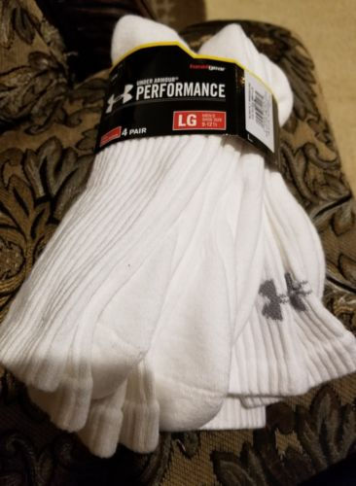 | 730-4274XP4-405 | 10-13 UA ALLSEASONGR CREW-WHITE | 025343310265 | 4 | 10,634 | 85,068
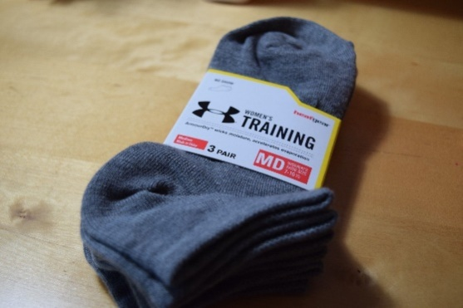 | 730-U2264R3-962 | 9-11 UA OP WMNS NS LINR 3PK-AFTRBURN/AST | 786889069702 | 3 | 13,028 | 78,168
 | 730-4266XP4-405 | 10-13 UA ALLSEASONGR NOSHW-WHITE | 025343310241 | 4 | 8,852 | 70,812
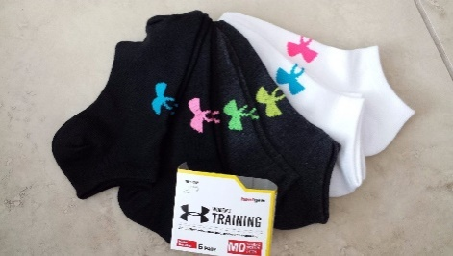 | 730-U2264R6-962 | 9-11 UA OP WMNS NS LINER 6PK-MULTI/AST | 786889069672 | 6 | 5,871 | 70,452
 | 730-4271XP4-405 | 10-13 UA ALLSEASONGR LOCUT-WHITE | 025343310258 | 4 | 7,554 | 60,432
 | 730-U2261P6-960 | 7-9 UA ESSENTIAL 6PKS NSHW-WHITE/ASSORT | 783466251550 | 6 | 4,659 | 55,908
 | 730-U5494P4-964 | 9-11 UA 4 PACK NOSHOW-WHITE | 883096671381 | 4 | 6,543 | 52,344
 | 730-U3211L6-001 | 7-9 UA CHARGED COTTON 2.0 QUARTER-BLACK | 783466317072 | 6 | 3,703 | 44,436
 | 730-U2261P6-971 | 7-9 UAG ESSENTIAL NSHW-NEUTRAL/AST | 783466295974 | 6 | 3,504 | 42,048
 | 730-U2264P6-981 | 9-11 UA ESSENTIAL NSHW-WHITE-COLOR/AST | 783466328733 | 6 | 3,196 | 38,352
 | 730-4271XP4-272 | 10-13 UA ALLSEASONGR LOCUT-BLACK | 025343310340 | 4 | 3,884 | 31,068
 | 730-U2264R3-963 | 9-11 UA OP WMNS NS LINR-PINKSHOCK/AST | 786889069719 | 3 | 5,108 | 30,648
 | 730-U2264R6-961 | UA OP WMNS NS LINER 6PK-STEEL/AST | 786889069665 | 6 | 2,122 | 25,464
 | 730-U2264P6-980 | 9-11 UA ESSENTIAL NSHW-BLACK-COLOR/AST | 783466328726 | 6 | 2,095 | 25,140
 | 730-U3444P6-960 | 9-11 UA CHARGED COTTON NSHW LINER-TRUEGR | 783466321710 | 6 | 1,876 | 22,512
 | 730-U3984L6-962 | 9-11 UA WOMENS TRAIN NSHW-BRIGHTS/ASST | 783466317621 | 6 | 1,822 | 21,864
 | 730-U3984L6-968 | 9-11 UA WOMENS TRAIN NSHW-HEATHER MIX/AS | 783466317706 | 6 | 1,777 | 21,324
 | 730-U5494P4-965 | 9-11 UA 4 PACK NOSHOW-WHITE | 883096671398 | 4 | 2,487 | 19,896
 | 730-2266XP4-272 | 7-9 UA ALLSEASONGEAR NOSHW-BLACK | 025343310395 | 4 | 2,324 | 18,588
 | 730-U2261P6-961 | 7-9 UA ESSENTIAL 6PKS NSHW-BLACK/ASSORT | 783466251567 | 6 | 1,451 | 17,412

 | 730-U3204L6-170 | 9-11 UA CHARGED COTTON 2.0 NO SHOW-BLACK | 783466317065 | 6 | 1,440 | 17,280
 | 730-U3984L6-973 | 9-11 UA WOMENS TRAIN NSHW-GRAY/ASST | 783466317751 | 6 | 1,158 | 13,896
 | 730-U3984L6-969 | 9-11 UA WOMENS TRAIN NSHW-VIOLET/ASST | 783466317713 | 6 | 822 | 9,864
 | 730-U2264R3-960 | 9-11 UA OP WMNS NS LINER-WHITE/AST | 786889069689 | 3 | 1,563 | 9,378
 | 730-U3880L6-962 | 5-7 UA GIRLS TRAIN NO SHOW-BRIGHTS/ASST | 783466317355 | 6 | 733 | 8,796
 | 730-U2721P6-960 | 7-9 UAG ESSENTL TWIST NSHW LINER-ASSORT | 783466284428 | 6 | 731 | 8,772
 | 730-U3211L6-170 | 7-9 UA CHARGED COTTON 2.0 QUARTER-WHITE | 783466317089 | 6 | 662 | 7,944

 | 730-U2264R3-961 | 9-11 UA OP WMNS NS LINER 3PK-SNORKLE/AST | 786889069696 | 3 | 1,286 | 7,716
 | 730-2107XP2-405 | 7-9 UA 2 Pack | 025343308699 | 2 | 1,833 | 7,332
 | 730-U2510P3-170 | 6-7.5 UA HEATGEAR 3PK LC-WHITE | 783466284527 | 3 | 786 | 4,716
 | 730-U2510P3-001 | 6-7.5 UA HEATGEAR 3PK LC-BLACK | 783466284510 | 3 | 729 | 4,374
 | 730-U3201L6-170 | 7-9 UA CHARGED COTTON 2.0 NO SHOW-WHITE | 783466317041 | 6 | 275 | 3,300
 | 730-2107XP2-272 | 7-9 UA 2 Pack | 025343308705 | 2 | 717 | 2,868
 | 730-U3444P6-001 | 9-11 UA CHARGED COTTON NSHW LINER-BLACK | 783466321697 | 6 | 231 | 2,772
 | 730-3266XP4-405 | 9-11 UA ALLSEASONGEAR NSHW-WHITE | 025343310210 | 4 | 303 | 2,424
 | 730-U3880L6-963 | 5-7 UA GIRLS TRAIN NO SHOW-AZTEC/ASST | 783466317362 | 6 | 182 | 2,184
 | 730-3274XP4-272 | 9-11 UA ALLSEASONGEAR CREW - BLACK | 025343310326 | 4 | 225 | 1,800
 | 730-U3984L6-972 | 9-11 UA WOMENS TRAIN NSHW-NEUTRAL/ASST | 783466317744 | 6 | 142 | 1,704
 | 730-28790P6-170 | 7-9 UA CHARGE COTTON CREW 6PK - WHITE | 783466214364 | 6 | 129 | 1,548
 | 730-2271XP4-405 | 7-9 UA ALLSEASONGEAR LOCUT-WHITE | 025343310203 | 4 | 192 | 1,536
 | 730-U3881L6-967 | 7-9 UA GIRLS TRAIN NO SHOW-MARL/ASST | 783466317461 | 6 | 125 | 1,500
 | 730-3165XP6-001 | 9-11 UA IRREG-PERFORMANCE CR-BLACK | 786889070814 | 6 | 80 | 960
 | 730-3271XP4-405 | 9-11 UA ALLSEASONGEAR LOCT-WHITE | 025343310227 | 4 | 120 | 960
 | 730-U2261P6-962 | 7-9 UA ESSENTIAL 6PKS NSHW-BRIGHT/ASSORT | 783466251574 | 6 | 75 | 900
 | 730-U3881L6-963 | 7-9 UA GIRLS TRAIN NO SHOW-AZTEC/ASST | 783466317423 | 6 | 75 | 900
 | 730-U2265P6-964 | 10-13 UA ESSENTIAL 6PKS NSHW-MARL/ASST | 783466250393 | 6 | 64 | 768
 | 730-U3984L6-967 | 9-11 UA WOMENS TRAIN NSHW-MARL/ASST | 783466317690 | 6 | 63 | 756
 | 730-U3911P3-965 | 7-9 UA NEXT NO SHOW-GALA PINK/ASST | 783466314125 | 3 | 117 | 702
 | 730-U3881L6-971 | 7-9 UA GIRLS TRAIN NS-PURPLE QUARTZ/AST | 783466326258 | 6 | 53 | 636
 | 730-2266XP4-405 | 7-9 UA ALLSEASONGEAR NOSHW-WHITE | 025343310197 | 4 | 75 | 600
 | 730-U2721P6-961 | 7-9 UAG ESSENTL TWST NSHW LINER-ELDBERRY | 783466312916 | 6 | 50 | 600

 | 730-23330P6-170 | 7-9 UA CHARGE COTTON NS 6PK-WHITE | 783466214203 | 6 | 34 | 408
 | 730-U3061P6-960 | 7-9 UAG ESSENTIAL STRP/SLD-WATERBLU/AST | 783466307394 | 6 | 30 | 360
 | 730-U3984L6-964 | 9-11 UA WOMENS TRAIN NSHW-HARMONYTWT/AST | 783466317669 | 6 | 18 | 216
 | 730-U5494P4-967 | UA 4 Pack | 883096671411 | 4 | 27 | 216
 | 730-U5494P4-968 | UA 4 Pack | 883096671428 | 4 | 27 | 216
 | 730-U3984L6-963 | 9-11 UA WOMENS TRAIN NSHW-ISLANDBLUE/AST | 783466317652 | 6 | 9 | 108
 | 730-32660PO-405 | 9-11 UA 4 PACK NOSHOW-WHITE | 025343310210 | 4 | 9 | 72
 | 730-U3281P6-960 | 7-9 UA ESSNTL SPECKLED NSHW-PALEMOON/AST | 783466317829 | 6 | 3 | 36
 | 730-U3187P3-962 | 4-5.5 UA TODDLER LOCUT-PINK CHROMA/ASST | 783466302672 | 3 | 3 | 18
 | 730-27620P6-170 | 7-9 UA CHARGE COTTON LOCUT 6PK - WHITE | 783466214289 | 6 | 1 | 12
 | 730-U3911P3-963 | 7-9 UA NEXT NO SHOW-SKY BLUE/ASST | 783466314101 | 3 | 1 | 5
 | 730-U3241P8-170 | 7-9 UA CHARGED COTTON 2.0 CREW-WHITE | 783466311827 | 8 | 1 | 8
 | 730-U3911P3-967 | 7-9 UA NEXT NO SHOW-GRAY-RED/ASST | 783466322465 | 3 | 273 | 1,638
 | 730-U3214L6-170 | 9-11 UA CHARGED COTTON 2.0 QUARTER-WHITE | 783466317102 | 6 | 2,567 | 30,804
 | 730-U3444P6-961 | 9-11 UA ESSNTL CHARGED CTTN NSHW-BLUE/AS | 783466321727 | 6 | 3,102 | 37,224
 | 730-U3221L6-170 | 7-9 UA CHARGED COTTON 2.O CREW-WHITE | 783466317126 | 6 | 10,129 | 121,548
 | 730-U3461P6-961 | 7-9 UA NEXT FCTYHS LOGO NSHW-SKY BLUE | 783466313135 | 6 | 1 | 12
 | 730-U3054P6-961 | 9-11 WMNS UA ESSENTIAL CUSHN NSH-BLK/AST | 783466305871 | 6 | 2,347 | 28,164
 | 730-U3054P6-963 | 9-11 WMNS UA ESSENTIAL CUSHN NSH-HGR/AST | 783466305895 | 6 | 2,851 | 34,212
 | 730-U9975P3-960 | 10-13 UA CREW 3PKS-ASSORT | 86889071217 | 3 | 3,348 | 20,088
 | 730-U3241P8-001 | 7-9 UA CHARGED COTTON 2.0 CREW-BLACK | 783466311810 | 8 | 1 | 16
 | 730-U3245P8-170 | 10-13 UA CHARGED COTTON 2.0 CREW-WHITE | 783466311889 | 8 | 1 | 8
 | 730-U2521P3-001 | 7-9 UA HEATGEAR CREW 3PK-BLACK | 783466229863 | 3 | 180 | 1,080
 | 730-22650P6-170 | 7-9 UA RESISTOR CREW - WHITE | 783466201760 | 6 | 8 | 96
 | 730-U2881P4-960 | 7-9 UA HEATGEAR CREW 3+1-RED/ASST | 783466285968 | 4 | 3,333 | 26,664
 | 730-U2881P4-961 | 7-9 UA HEATGEAR CREW 3+1-ELECTRIC/ASST | 783466285975 | 4 | 7,560 | 60,480
 | 730-427401N-272 | 10-13 UA 4PK CREW-BLACK | 025343310319 | 4 | 12 | 96
 | 730-U3971L3-960 | 7-9 UA BOYS STATEMENT CREW-ROYAL/ASST | 783466317157 | 3 | 1,542 | 9,252
 | 730-U3971L3-961 | 7-9 UA BOYS STATEMENT CREW-TRUE GRAY/AST | 783466317164 | 3 | 1,959 | 11,754
 | 730-U3971L3-964 | 7-9 UA BOYS STMENT CREW-HEATHER GRAY/AST | 783466248680 | 3 | 639 | 3,834
 | 730-U9145R3-170 | 10-13 UA NOSHOW-WHITE | 786889071446 | 3 | 7,092 | 42,552
 | 730-U3974L3-960 | 9-11 UA BOYS STATEMENT CREW-ROYAL/ASST | 783466317195 | 3 | 2,682 | 16,092
 | 730-U2961P3-960 | 7-9 UAB NEXT STMENT 2.0 CRW-WHITE/AST | 783466297312 | 3 | 1,109 | 6,654
 | 730-U2961P3-961 | 7-9 UAB NEXT STMENT 2.0 CRW-CARBON/AST | 783466297329 | 3 | 1,746 | 10,477
 | 730-U2961P3-962 | 7-9 UAB NEXT STMENT 2.0 CRW-BLUE/AST | 783466297336 | 3 | 612 | 3,669
 | 730-U3965L3-962 | 10-13 UA MENS ARMOUR CREW-ROYAL/ASST | 783466317515 | 3 | 326 | 1,956
 |  |  |  |  | 206,137 | 1,871,171

